USER MANUAL
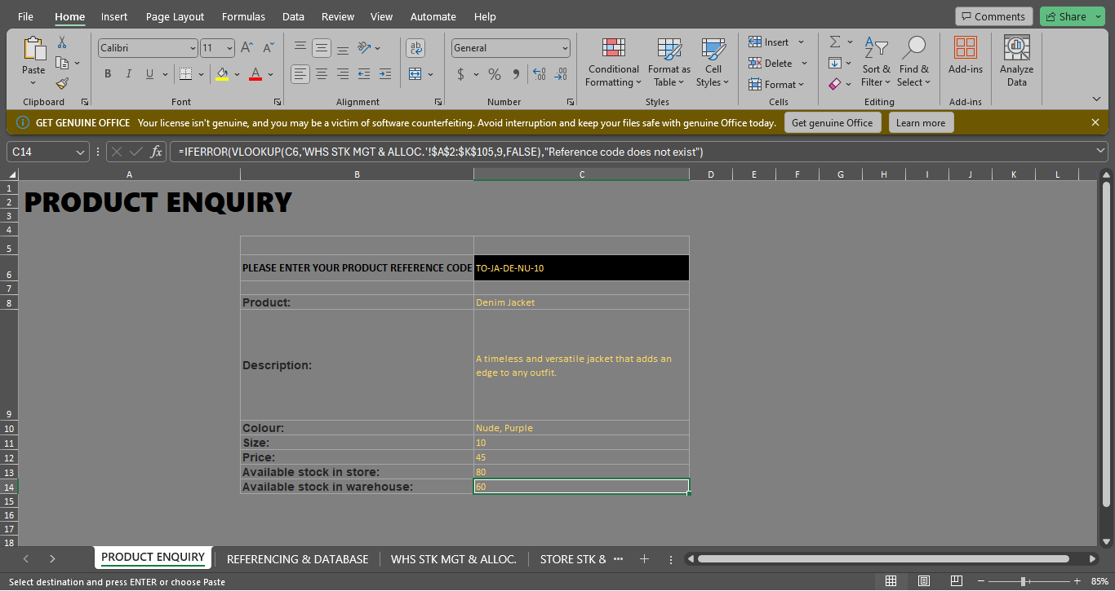

THIS ENQUIRY TAB ENABLES THE USER TO SEARCH THE PRODUCT USING A CUSTOM GENERATED PRODUCT ID WHICH GIVES BASIC INFORMATION ON THE PRODUCT SUCH AS COST PRICE,SIZE,STOCK AVAILABLE IN THE STORE AND WAREHOUSE
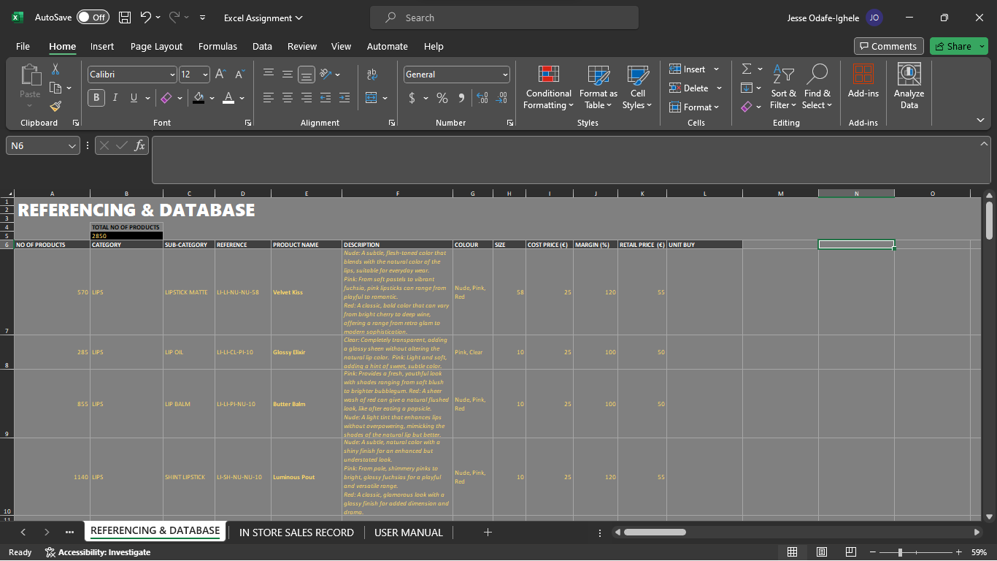

FOR THE REFERENCING & DATABASE TAB IT CONTAINS INFORMATION SUCH AS NAME AND DESCRIPTION ON ALL PRODUCTS AVAILABLE. IT ENABLES THE USER WITH INFORMATION ON THE PURCHASE OF EACH PRODUCT.

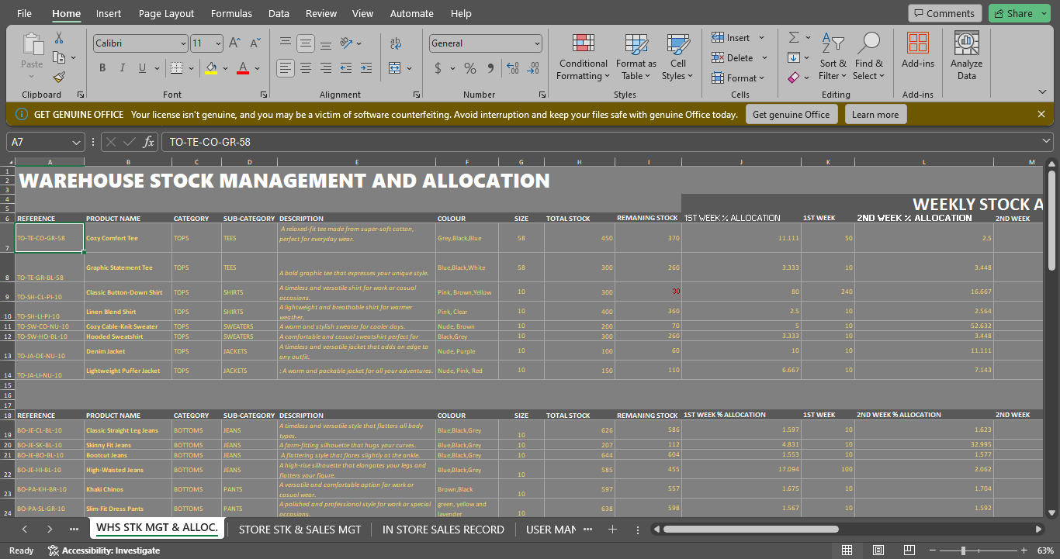

THE WHS STK MGT & ALLOC. TAB SHOWS INFORMATION ON THE PRODUCTS AVAILABLE IN THE WAREHOUSE AND THEIR WEEKLY ALLOCATION(IT IS ASSUMED EACH PRODUCT MET DEMAND AND HAD AN EXCESS OF 10 UNITS AFTER THE FIRST WEEK). IT ALSO EQUIPS THE USER WITH KNOWLEDGE ON PRODUCTS WHICH ARE LOW IN QUANTITY IN THE WAREHOUSE(DENOTED BY RED TEXT)

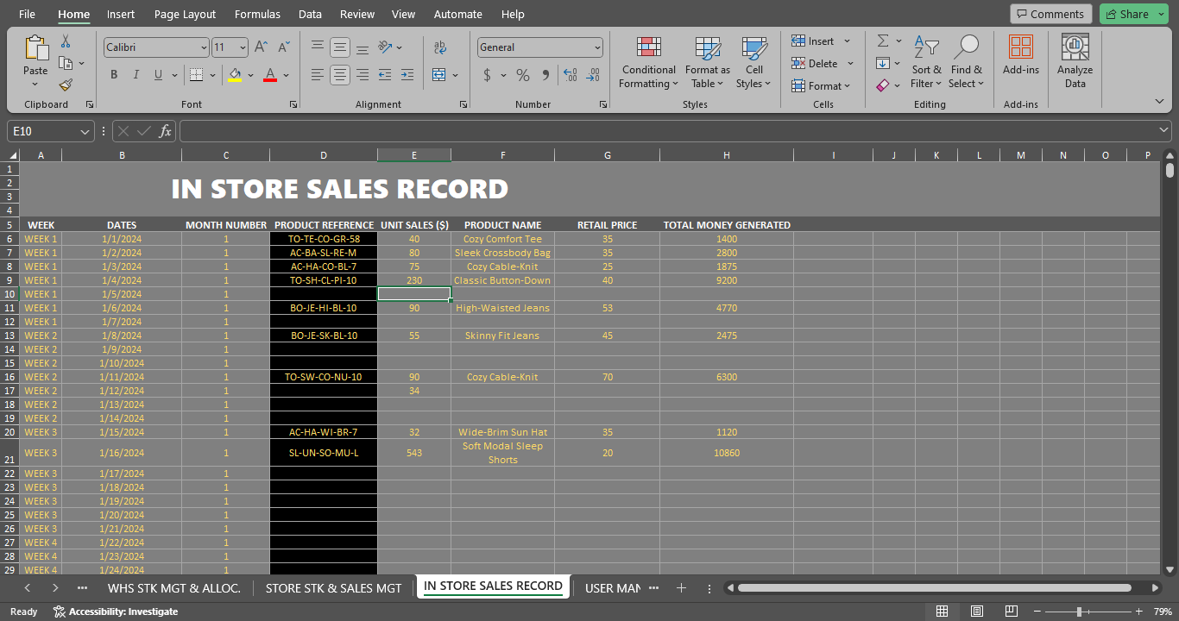

THE IN STORE SALES TAB GIVES INFORMATION ON THE PRODUCTS SOLD , IT CONTROLS THE DATA IN THE WAREHOUSE AND STORES TABS AS IT’S THE BASIS OF INFORMATION IN THOSE TABS
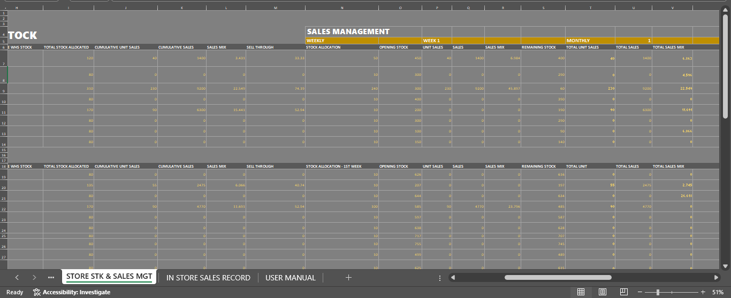
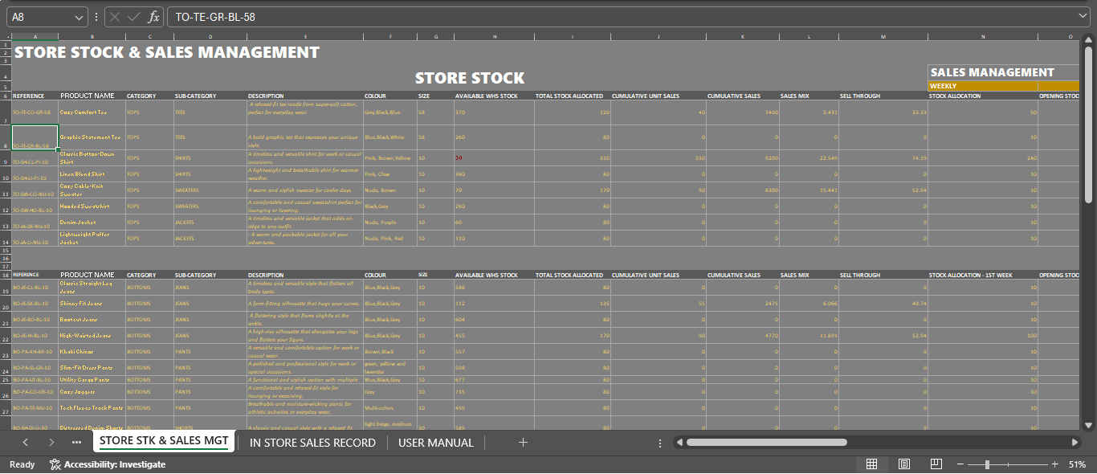

THE STORE MGT TAB EQUIPS THE USER WITH KNOWLEDGE OF THE GOODS AVAILABLE IN THE STORE AND ALSO WITH KNOWLEDGE OF THE ONES SOON TO BE EXHAUSTED(RED TEXT) AND THE SALES MGT. PART IS A SUMMARY OF THE WEEKLY AND MONTHLY SALES OF EACH PRODUCT THE WEEK AND THE MONTH CAN BE SPECIFIED

